Shell Scheme Package
COMPLETION COMPULSORY BY ALL SHELL SCHEME PACKAGE EXHIBITORS

NOT APPLICABLE TO FLOOR SPACE ONLY EXHIBITORS

 | EXHIBITING COMPANY CONTACT INFORMATION |  | Shell Scheme stands come with 2.5m high walling, 1 x plug point, 1 x florescent light, grey carpets and a Fascia name at 3m high. It is your responsibility to fill in this form so we know what you want on your stand.

 | Company Name | 0

 | Contact | 0

 | Cell Number | +27

 | Stand Number | 0

 | Stand Package

 | FORM 1 | SHELL SCHEME PACKAGE STAND REQUIREMENTS

 | CARPETING ~ PACKAGE REQUIREMENTS

 | Shell scheme stands receive grey carpets. If you want another colour or the carpets lifted please specify

 | 1: Please specify carpet colour.

 | 2. Please advise if you are using your own flooring and you would you like us to lift the carpeting off your stand ? Yes / No

 | 3. Would you like to hire alternative flooring ? If yes, see extras tab - Order form 8.

 | FASCIA NAMES ~ PACKAGE REQUIREMENTS (Corner stands have 2 x Fascia boards)

 | FASCIA 1

 | FASCIA 2

 | Special Note: Removal of fascias on site will incur an extra cost to the exhibitor concerned. It also may not be possible due to the fact that all electrics run along the top of the shell scheme and has already been installed.

 | 1) Names should be as short as possible for easy identification by visitors. 2) Standard typeface, 100mm height. (Pty) Ltd, cc etc won't be included on fascia. (correct spelling) 3) No logos, special fonts or special colours are permitted. 4) Failing to submit this form by 20 May will result in the name on the exhibitor agreement being used.

 | 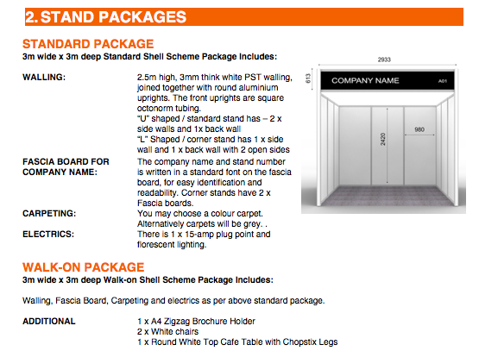

SUBMIT COMPLETED ORDER FORMS TO sonja@siyenzaevents.co.za

Manufacturing Indaba | 25-26 June 2019 | Sandton Convention Centre

